ET Voltage Mapping
How to use: Populate yellow cells and enter the numbers to the Signal Studio GUI accordingly

 | Shaping Table Output (Envelope) | ETPS Gain | Differential Gain | Total Gain | ETPS input (Differential) | ETPS Input (Single Ended) | DAC scale Corrected ETPS Input (Single Ended)
High | 3.300 | 2.239 | 2.000 | 4.477 | 0.491 | 0.246 | 0.3797 | Mapped High
Low | 0.500 | 7.000 | 6.021 | 13.021 | -0.759 | -0.380 | -0.3797 | Mapped Low
Voffset (REF) | 2.200 |  |  |  | Desired Vpp | 0.625 | 0.759 | Vpp (Automatically Set)
 |  |  |  |  |  |  | 0.500 | Vcm
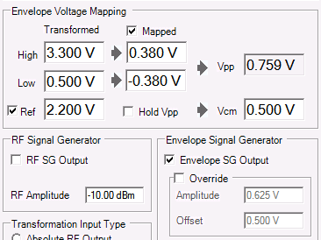

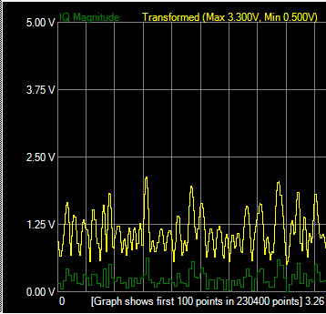

Shows actual AWG oputput (ETPS input ) voltage (=Desired Vpp in G6)
Envelope Graph in "|X| and Transformation " shows envelope max and min voltages after generating waveforms

